Sheet1
basic information and formulas for use of the app ouitoo trackplotter
test case UNION PLAZA |  |  |  |  |  |  |  |  |  |  |  | Map size | X [in] | Y [in]
 |  |  |  |  |  |  |  |  |  |  |  | 11 x 17 | 0 | 0
wiki ----> | https://github.com/Frederic-jyrg/ouitoo/wiki#:~:text=9%2D20%2D2019-,UNION%20PLAZA%3A,-name%20of%20the |  |  |  |  |  |  |  |  |  |  |  | 11 | 0 | Magnetic North Orientation (original value) | Polaris North Orientation (original value)
 |  |  |  |  |  |  |  |  |  |  |  |  | 11 | -17
UNION PLAZA: |  |  |  |  |  |  |  |  |  |  |  |  | 0 | -17
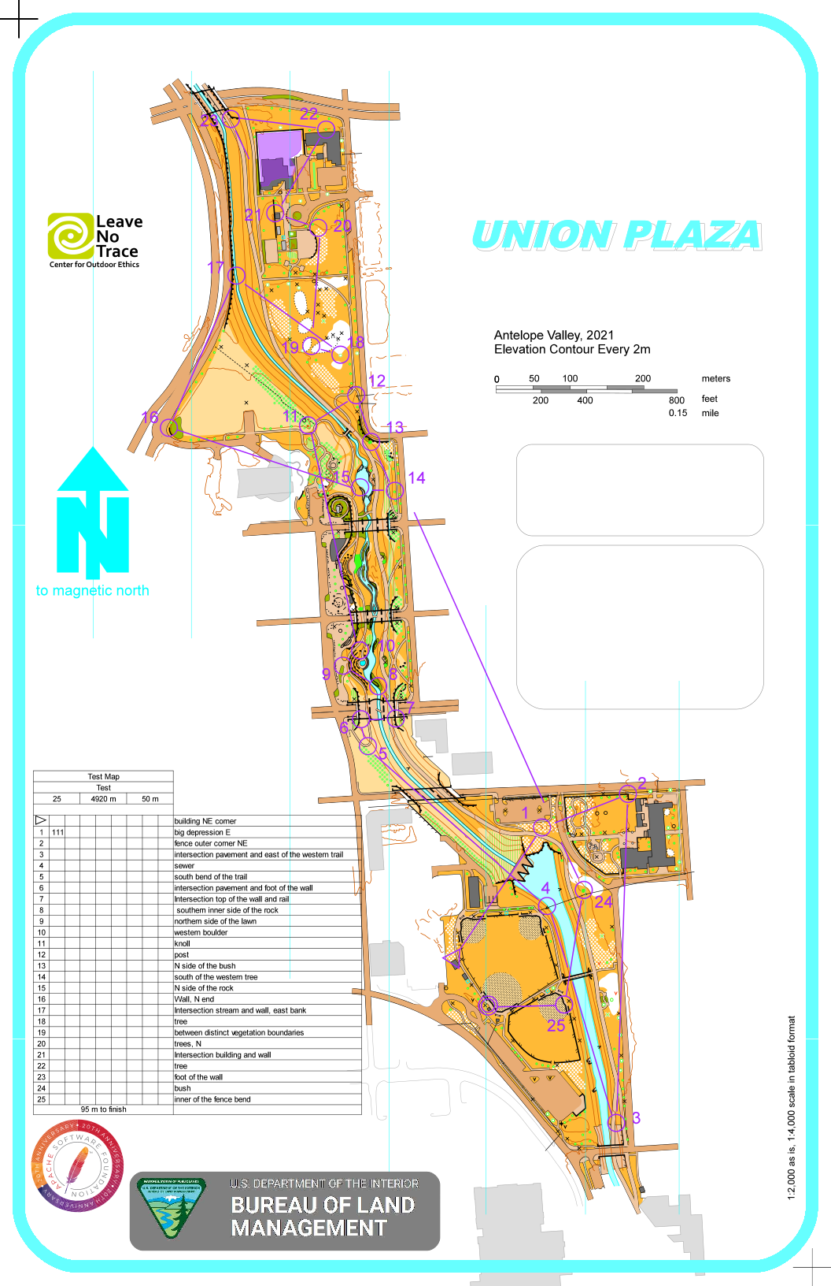
name of the file: "union-plaza-ocad-4000-04-09-2021.png" |  |  |  |  |  |  |  |  |  |  |  |  | 0 | 0
We find the following information: |  |  |  |  |  |  |  |  |  | Rotated map
Reference point (the center tooth of the dam, south end): latitude=40.81147001400959°, longitude=-96.68791604213915° |  |  |  |  |  |  |  |  |  | rotation angle | -4 |  | X [in] | Y [in]
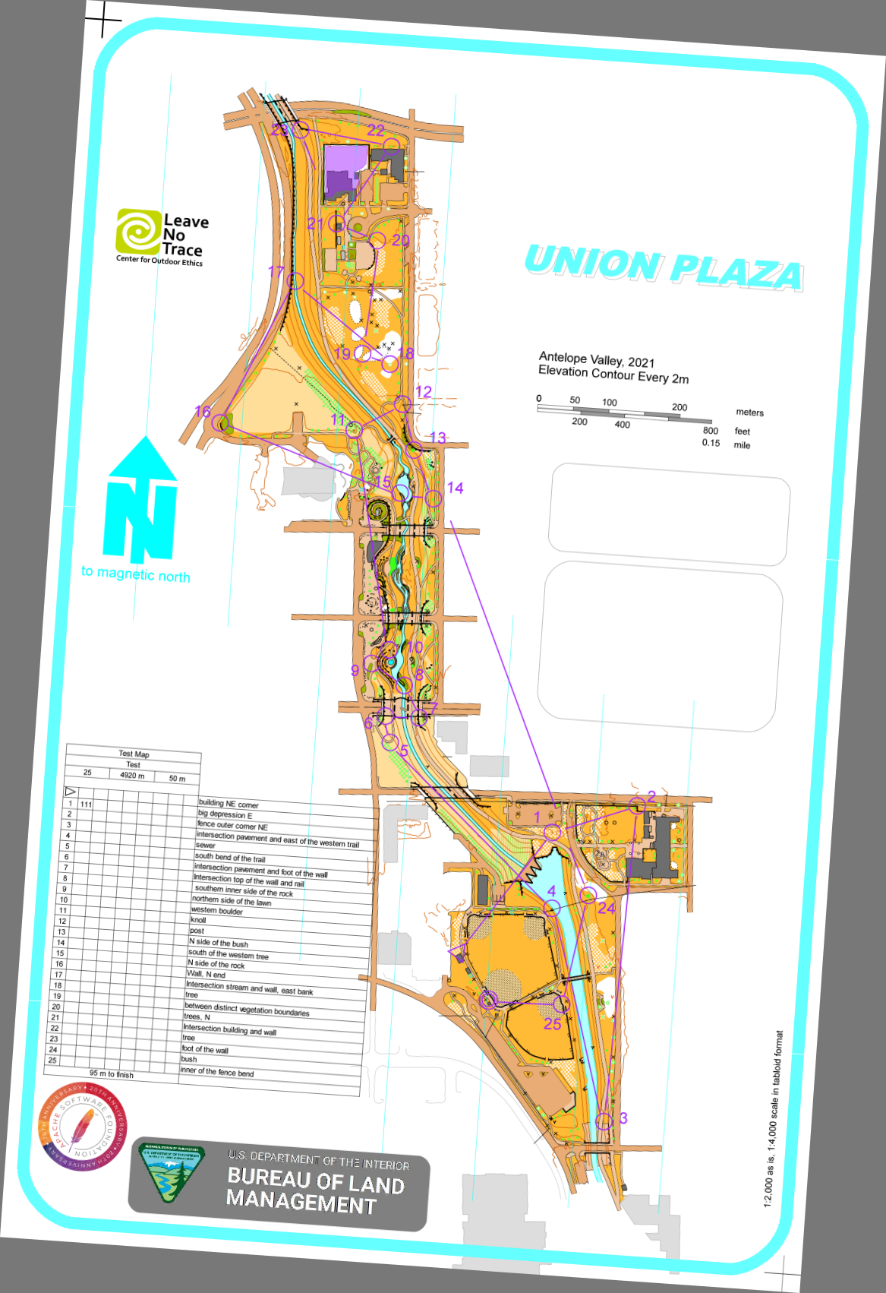
Scale: 1/4000 (version 1/4000 because the format is a tabloid format 11" x 17" -information on the map-) |  |  |  |  |  |  |  |  |  | 0.99756405026 | -0.069756473744 |  | 0 | 0
Date: 04-09-2021 |  |  |  |  |  |  |  |  |  | 0.99756405026 | -0.069756473744 |  | 10.973204553 | -0.76732121119
 |  |  |  |  |  |  |  |  |  | 0.99756405026 | -0.069756473744 |  | 9.7873444992 | -17.725910066
point 1 | https://maps.app.goo.gl/orPfK8FduzNU1MMz6 |  |  |  |  |  |  |  |  | 0.99756405026 | -0.069756473744 |  | -1.1858600537 | -16.958588854
40.81147001400959, -96.68791604213915 |  |  |  |  |  |  |  |  |  | 0.99756405026 | -0.069756473744 |  | 0 | 0
point 2 | https://maps.app.goo.gl/5kGhTRHsTmQ7oncNA
40.81908575866586, -96.69120127972548 |  |  |  |  |  |  |  |  |  |  |  |  | 12.159064607 | -17.725910066

Plugging points - point 1 and point 2 |  |  | Measure distance
 |  |  | Total distance: 2,922.33 ft (890.73 m)
 | point 1 | point 2 |  |  |  |  | Scale | rotation_angle (clokwise) |  | North Direction
latitude [DEC] | 40.811470014 | 40.819085759 | Distance in [m] |  |  |  | 1:_________ | (in degrees, DEC)
longitude [DEC] | -96.687916042 | -96.69120128 | 890.73 |  |  |  | 4000 | 4 |  | P

 |  |  |  |  | Example of initialization
 | point 1 | point 2
latitude [DMS] | 40°48'41.3"N | 40°49'08.7"N |  | --1 | Distance @ zoom 100%
longitude [DMS] | 96°41'16.5"W | 96°41'28.3"W |  |  | [m] | 0.2226825
 |  |  |  |  | [mm] | 222.6825

Example of track (from start to post #1) |  |  |  | --2 | Vertical and horizontal resolutions
 | latitude (DEC) | longitude (DEC) |  |  | D^2=RES_LAT^2*(LAT1-LAT2)^2+RES_LONG^2*(LONG1-LONG2)^2
 | 40.8104943 | -96.6891308
 | 40.8105471 | -96.6891375 |  |  | LAT1 | 40.811470014
 | 40.8106354 | -96.6891563 |  |  | LAT2 | 40.819085759
 | 40.8107095 | -96.6891643 |  |  | LONG1 | -96.687916042
 | 40.8108211 | -96.6891563 |  |  | LONG2 | -96.69120128
 | 40.8109013 | -96.6891295
 | 40.8109353 | -96.689112 |  |  | LONG1-LONG2 | 0.0032852375863
 | 40.8109714 | -96.6890651 |  |  | LAT1-LAT2 | -0.0076157446563
 | 40.8109978 | -96.688996
 | 40.8110181 | -96.6889417 |  |  | COEF=RES_LAT/RES_LONG
 | 40.8110348 | -96.6888921
 | 40.8110516 | -96.6887995 |  |  | iter 0
 | 40.811084 | -96.6887311 |  |  | 'D^2
 | 40.81115 | -96.6886909
 | 40.8112495 | -96.6886855 |  |  | RES_LAT
 | 40.8112952 | -96.688648
 | 40.8113652 | -96.6885836 |  |  | RES_LONG
 | 40.8114363 | -96.6885742
 | 40.8115206 | -96.6886089 |  |  | RES_LAT^2*(LAT1-LAT2)^2+RES_LONG^2*(LONG1-LONG2)^2
 | 40.8115663 | -96.6886666
 | 40.8115947 | -96.6887175 |  |  | COEF
 | 40.8116739 | -96.6887752
 | 40.8117195 | -96.6887792 |  |  | ==============================OR ============================
 | 40.8118134 | -96.6887357
 | 40.8118992 | -96.6887162 |  |  | variables needed to map the track
 | 40.8119438 | -96.6886921
 | 40.8119926 | -96.6886733 |  |  | point1
 | 40.8120332 | -96.6886371 |  |  | GPS [DEC] | Y,X [mm]
 | 40.8120474 | -96.6885794 |  |  | 40.811470014 | -304.8381
 | 40.8120403 | -96.6884989 |  |  | -96.687916042 | 156.591
 | 40.812021 | -96.6883997
 | 40.8119916 | -96.6883313 |  |  | point2
 | 40.8119763 | -96.688228 |  |  | GPS [DEC] | Y,X [mm]
 | 40.8119642 | -96.6881422 |  |  | 40.819085759 | -93.9673
 | 40.8119611 | -96.6880644 |  |  | -96.69120128 | 90.0176
 | 40.8119565 | -96.6880141
 |  |  |  |  | RES_LAT | 27688.795977
Example of display (360x800 pixels) |  | ref |  |  | RES_LONG | 20264.409575
 |  |  |  |  |  |  |  |  |  |  |  | Xmoves | -1.1858600537 | 7.2232045529
density | 96 |  |  |  | COEF | 1.3663756585 |  |  |  |  |  | Ymoves | 0 | -9.3929100656
height | 800 |  |  |  | 1/COEF | 0.73186315475
width | 360 |  |  |  |  |  |  |  |  |  |  | move | 1.669 | 0.467
 |  |  |  |  | Longitudes
inches |  |  |  |  |  |  |  |  |  |  |  | Device size | X [in] | Y [in]
height | 8.3333333333 |  |  |  | a= | 20264.409575 |  |  |  |  |  | 8.333 x 3.75 | 1.669 | 0.467
width | 3.75 |  |  |  | b= | 1959480.1226 |  |  |  |  |  |  | 5.419 | 0.467
 |  |  |  |  |  |  |  |  |  |  |  |  | 5.419 | -7.866
mm |  |  |  |  | Latitudes |  |  |  |  |  |  |  | 1.669 | -7.866
height | 211.66666667 |  |  |  |  |  |  |  |  |  |  |  | 1.669 | 0.467
width | 95.25 |  |  |  | a= | 27688.795977
 |  |  |  |  | b= | 2677328.5717 |  |  |  |  |  | center | 3.544 | -3.6995

 |  |  |  |  |  |  |  |  |  |  |  |  | 3.544 | 0.467
 |  |  |  |  |  | X [mm] | Y [mm] | X [in] | Y [in] |  |  |  | 3.544 | -7.866
 |  |  |  |  |  | 131.97464917 | 3807322.0221 | 5.1958523296 | 149894.5678
 |  |  |  |  |  | 131.83887763 | 3807323.4841 | 5.1905069932 | 149894.62536 |  |  |  | 1.669 | -3.6995
 |  |  |  |  |  | 131.45790673 | 3807325.929 | 5.1755081389 | 149894.72161 |  |  |  | 5.419 | -3.6995
 |  |  |  |  |  | 131.29579145 | 3807327.9807 | 5.1691256477 | 149894.80239
 |  |  |  |  |  | 131.45790673 | 3807331.0708 | 5.1755081389 | 149894.92405 |  |  | inches
 |  |  |  |  |  | 132.0009929 | 3807333.2914 | 5.1968894844 | 149895.01147 |  |  | pt1
 |  |  |  |  |  | 132.35562007 | 3807334.2329 | 5.2108511839 | 149895.04854 |  |  | 4.29 | -7.835
 |  |  |  |  |  | 133.30602088 | 3807335.2324 | 5.2482685386 | 149895.08789 |  |  | 6.165 | -12.0015
 |  |  |  |  |  | 134.70629158 | 3807335.9634 | 5.3033973064 | 149895.11667 |  |  | pt2
 |  |  |  |  |  | 135.80664902 | 3807336.5255 | 5.3467184655 | 149895.1388 |  |  | 1.669 | 0.467
 |  |  |  |  |  | 136.81176374 | 3807336.9879 | 5.3862899109 | 149895.157 |  |  | 3.544 | -3.6995
 |  |  |  |  |  | 138.68824806 | 3807337.4531 | 5.4601672466 | 149895.17532
 |  |  |  |  |  | 140.07433368 | 3807338.3502 | 5.5147375464 | 149895.21064 |  |  | mm
 |  |  |  |  |  | 140.88896294 | 3807340.1776 | 5.5468095647 | 149895.28258 |  |  | pt1
 |  |  |  |  |  | 140.99839076 | 3807342.9327 | 5.5511177463 | 149895.39105 |  |  | 108.966 | -199.009
 |  |  |  |  |  | 141.75830611 | 3807344.1981 | 5.5810356738 | 149895.44087 |  |  | 156.591 | -304.8381
 |  |  |  |  |  | 143.06333409 | 3807346.1363 | 5.632414728 | 149895.51718 |  |  | pt2
 |  |  |  |  |  | 143.25381954 | 3807348.1049 | 5.6399141552 | 149895.59468 |  |  | 42.3926 | 11.8618
 |  |  |  |  |  | 142.55064453 | 3807350.4391 | 5.6122300996 | 149895.68658 |  |  | 90.0176 | -93.9673
 |  |  |  |  |  | 141.3813881 | 3807351.7045 | 5.5661963818 | 149895.7364
 |  |  |  |  |  | 140.34992965 | 3807352.4909 | 5.5255877815 | 149895.76736
 |  |  |  |  |  | 139.18067322 | 3807354.6838 | 5.4795540637 | 149895.85369
 |  |  |  |  |  | 139.09961558 | 3807355.9464 | 5.4763628181 | 149895.9034
 |  |  |  |  |  | 139.9811174 | 3807358.5464 | 5.511067614 | 149896.00576
 |  |  |  |  |  | 140.37627338 | 3807360.9221 | 5.5266249363 | 149896.0993
 |  |  |  |  |  | 140.86464565 | 3807362.157 | 5.5458521911 | 149896.14791
 |  |  |  |  |  | 141.24561655 | 3807363.5082 | 5.5608510454 | 149896.20111
 |  |  |  |  |  | 141.97918818 | 3807364.6324 | 5.5897318181 | 149896.24537
 |  |  |  |  |  | 143.14844461 | 3807365.0256 | 5.6357655359 | 149896.26085
 |  |  |  |  |  | 144.77972958 | 3807364.829 | 5.6999893536 | 149896.25311
 |  |  |  |  |  | 146.78995901 | 3807364.2946 | 5.7791322446 | 149896.23207
 |  |  |  |  |  | 148.17604463 | 3807363.4805 | 5.8337025444 | 149896.20002
 |  |  |  |  |  | 150.26935814 | 3807363.0569 | 5.9161164621 | 149896.18334
 |  |  |  |  |  | 152.00804448 | 3807362.7219 | 5.9845686802 | 149896.17015
 |  |  |  |  |  | 153.58461554 | 3807362.636 | 6.0466384072 | 149896.16677
 |  |  |  |  |  | 154.60391534 | 3807362.5087 | 6.0867683206 | 149896.16176

